WDC Calculator
Your Design Budget : in Euros |  | EUR 40,000.00

Mediation Fee % | Fixed Fee | Mediation Fee | Total Fees | Total Cost | Package | Fixed Fee | Cancellation Insurance Deposit | First Payment | Second Payment | Third Payment | Last Payment | Total Payment
0.02 | € 94,995.95 | € 800.00 | € 95,795.95 | € 135,795.95 | Macro | € 94,995.95 | € 94,995.95 | € 189,991.90 | € 0.00 | € 0.00 | € 0.00 | € 189,991.90
0.04 | € 9,499.95 | € 1,600.00 | € 11,099.95 | € 51,099.95 | Premium | € 9,499.95 | € 9,499.95 | € 18,999.90 | € 12,840.02 | € 12,840.02 | € 6,420.01 | € 51,099.95
0.08 | € 4,499.95 | € 3,200.00 | € 7,699.95 | € 47,699.95 | Standard | € 4,499.95 | € 7,999.95 | € 12,499.90 | € 14,080.02 | € 14,080.02 | € 7,040.01 | € 47,699.95
0.16 | € 2,499.95 | € 6,400.00 | € 8,899.95 | € 48,899.95 | Basic | € 2,499.95 | € 7,999.95 | € 10,499.90 | € 15,360.02 | € 15,360.02 | € 7,680.01 | € 48,899.95
0.32 | € 449.95 | € 12,800.00 | € 13,249.95 | € 53,249.95 | Micro | € 449.95 | € 7,999.95 | € 8,449.90 | € 17,920.02 | € 17,920.02 | € 8,960.01 | € 53,249.95

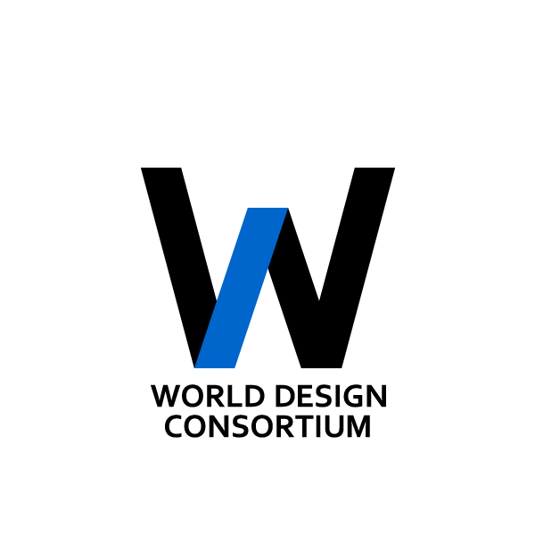
WDC Design Tender Posting Fee + Mediation Fee Calculator |  |  |  |  |  | First Payment : Paid before WDC Tender Starts. Includes WDC Design Tender Posting Fee + Cancellation Insurance Deposit but not Mediation Fees.
 |  |  |  |  |  | Second Payment : Paid before viewing design proposals and choosing a designer, and before signing preliminary agreement and non-disclosure agreement.
 |  |  |  |  |  | Third Payment : Paid after designer sent you final concepts but not detailed technical drawings or blueprints.
 |  |  |  |  |  | Last Payment : Paid before production, and/or designer signs design rights release agreement or royalty based agreement, depending on initial contract.

 |  |  |  |  |  | Which Package are we obliged to choose?
 |  |  |  |  |  | Standard Package | Standard Package provides the least Total Cost, based on your design budget of 40000 EUR.

 |  |  |  |  |  | What will be the Total Cost?
 |  |  |  |  |  | € 47,699.95 | That is 40000 EUR Design Budget plus 3200 EUR in Mediation Fee and 4499.95 EUR Posting Fee.

 |  |  |  |  |  | Where will the Money Go? |  |  | Why?
 |  |  |  |  |  | WDC Secretariat | 7699.95 EUR Mediation Fee and Posting Fee |  | Supermediation, Posting the Tender and Communicating to Designers.
 |  |  |  |  |  | WDC Agent | 8000 EUR Project Lead Fee |  | Mediation, Mediating Communication between WDC, Client and Designers.
 |  |  |  |  |  | WDC Designer | 32000 EUR Design Fees |  | Undertaking, Provision of Design Services, Design Consultancy or Design Technicals.

 |  |  |  |  |  | Deadlines, Milestones, Tasks and Timeframes
 |  |  |  |  |  | Milestone |  | Timeframe | WDC Designer | WDC Client | WDC Agent | WDC Secretariat
 |  |  |  |  |  | Project Initiation / Brief / Consultancy |  | 3 Week |  | Fill Brief, Pay First Payment (12499.9 EUR), Sign WDC Contract | Calculate Fees, Collect Brief, Sign WDC Contract | Prepare WDC Contracts
 |  |  |  |  |  | Project Posting |  | 3 Week |  |  | Submit Brief to WDC Secreteriat for Posting | Post WDC Tender
 |  |  |  |  |  | Bid Collection / Proposal Submission |  | 7 Week | Read Brief, Submit Concept Design | Second Payment (14080.02 EUR). |  | Score and Manage Bid Submissions
 |  |  |  |  |  | Selecting a Winner / Requesting Project Technical Advancement |  | 4 Week |  | Third Payment (14080.02 EUR), Review WDC Proposal Book | Review Proposal Book | Prepare WDC Proposal Book
 |  |  |  |  |  | Project Undertaking / Intellectual Property Transfer / Project Files Transfer |  | 4 Week | Sign Agreements, Start Technical Development | Last Payment (7040.01 EUR) | Mediation | Project Overseeing

 |  |  |  |  |  | Roles
 |  |  |  |  |  | WDC Agents: Find Clients, Talk with Clients, Provide Consultancy to Client, Collect Design Brief, Mediate Communication between Client and WDC Secretariat, Mediate Work between selected Designer and Client.
 |  |  |  |  |  | WDC Designer: Read and Understand Design Brief, Make Design Proposal, If Selected Then: Detail or Develop Project Further, Deliver Intellectual Property, Technical Drawings or Details to Client, Communicate with Client via WDC Agent to Tweak and Finalize Design
 |  |  |  |  |  | WDC Secretariat: Provide WDC Platform Access, Prepare WDC Contracts, Post WDC Project, Accept and Collect Design Bids, Review Design Bids and Score Design Submissions, Prepare WDC Proposal Book, Manage Payments.

